Hoja 1
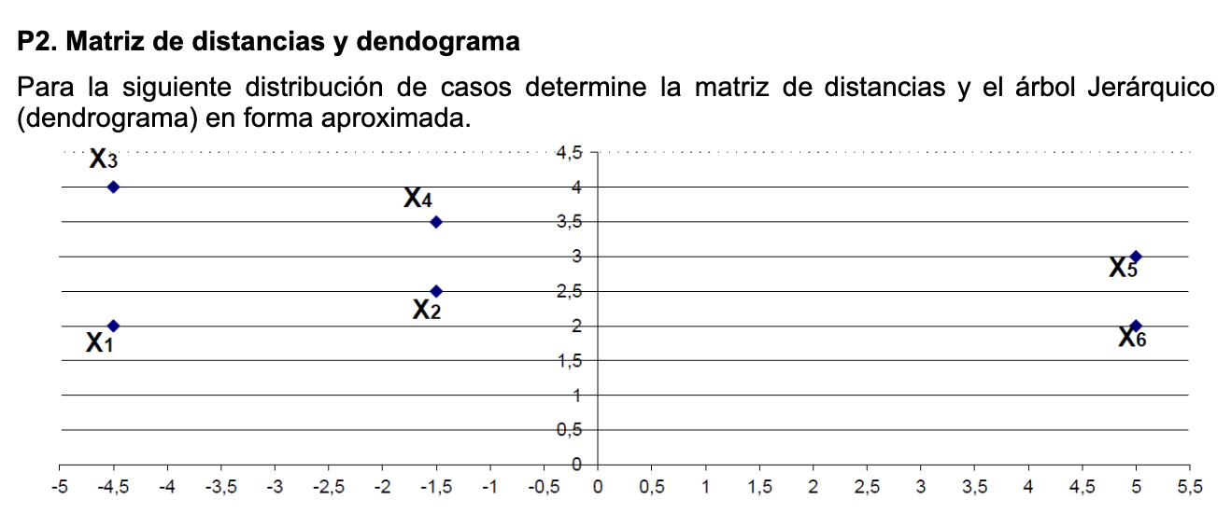
 |  |  | Distancia Euclidiana

 |  |  |  | x1 | x2 | x3 | x4 | x5 | x6
 |  |  | x1 | 0.00 | 3.04 | 2.00 | 6.18 | 9.55 | 9.50
 |  |  | x2 |  | 0.00 | 3.35 | 3.16 | 6.52 | 6.52
 |  |  | x3 |  |  | 0.00 | 6.02 | 9.55 | 9.71
 |  |  | x4 |  |  |  | 0.00 | 3.54 | 3.81
 |  |  | x5 |  |  |  |  | 0.00 | 1.00
 |  |  | x6 |  |  |  |  |  | 0.00

 |  |  |  | x1 | x2 | x3 | x4 | (x5-x6)
 |  |  | x1 | 0.00 | 3.04 | 2.00 | 6.18 | 9.50
 |  |  | x2 |  | 0.00 | 3.35 | 3.16 | 6.52
 |  |  | x3 |  |  | 0.00 | 6.02 | 9.55
 | a | b | x4 |  |  |  | 0.00 | 3.54
x1 | -4.5 | 2 | (x5-x6) |  |  |  |  | 0.00
x2 | -1.5 | 2.5
x3 | -4.5 | 4 |  | (x1-x3) | x2 | x4 | (x5-x6)
x4 | 1.5 | 3.5 | (x1-x3) | 0.00 | 3.04 | 6.02 | 9.50
x5 | 5 | 3 | x2 |  | 0.00 | 3.16 | 6.52
x6 | 5 | 2 | x4 |  |  | 0.00 | 3.54
 |  |  | (x5-x6) |  |  |  | 0.00
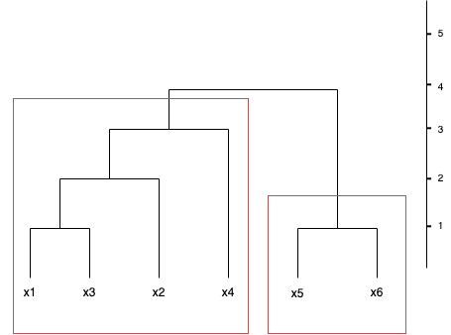
 |  |  |  | ((x1-x3), x2) | x4 | (x5-x6)
 |  |  | ((x1-x3), x2) | 0.00 | 3.16 | 6.52
 |  |  | x4 |  | 0.00 | 3.54
 |  |  | (x5-x6) |  |  | 0.00

 |  |  |  | (((x1-x3), x2),x4) | (x5-x6)
 |  |  | (((x1-x3), x2),x4) | 0.00 | 6.52
 |  |  | (x5-x6) |  | 0.00

